Yearly aggregate
 | OIL(bbl/d) |  |  |  |  |  |  | Gas(Mcf/d)
YEAR | Anadarko Region | Appalachia Region | Bakken Region | Eagle Ford Region | Haynesville Region | Niobrara Region | Permian Region | Anadarko Region | Appalachia Region | Bakken Region | Eagle Ford Region | Haynesville Region | Niobrara Region | Permian Region
2007 | 1677043.3 | 329000 | 1656426.4 | 652888.6 | 713709.7 | 1494731.8 | 10182005.9 | 49793850 | 16682141.8 | 2332742 | 19638972.6 | 45204425.5 | 44107268.3 | 57036453.4
2008 | 1803991.9 | 334000 | 2181966.2 | 662570.6 | 726567.2 | 1597569.5 | 10493091.2 | 51006562 | 18632210.1 | 2588105.9 | 19794707 | 50817373.6 | 52849442.7 | 56974776
2009 | 1761785.5 | 300000 | 2748086.4 | 621050.9 | 674513.7 | 1597465.1 | 10561462.1 | 49847433.6 | 21175219.8 | 2887226.6 | 19243799.1 | 60316162.8 | 56028783.8 | 55464493.8
2010 | 1940154.4 | 323000 | 3847024.9 | 1010398.4 | 621184.7 | 1732888.8 | 11078399.1 | 49472855.3 | 31838095 | 3690011.3 | 22017842.7 | 86271143.9 | 57688770.1 | 52834811.4
2011 | 2573066.1 | 342000 | 5177076.5 | 3180275.5 | 596374.7 | 1990544.9 | 12206192.2 | 52406715.8 | 56942917.8 | 5187832.7 | 31330024.9 | 117807599.5 | 57255401.7 | 50975295.6
2012 | 3421863.8 | 397000 | 8223798.6 | 7578116.6 | 629051 | 2420319.6 | 14278300.9 | 57249591.3 | 92781267.6 | 8677782.6 | 45445724.4 | 116970909.7 | 56901684.1 | 53085412.1
2013 | 4243817.8 | 675000 | 10679260.2 | 12596357.7 | 656503.2 | 3203890.1 | 16304414.4 | 62228510.7 | 136991624.1 | 11755976.9 | 60381119 | 91977864.5 | 52848109.5 | 57787084.9

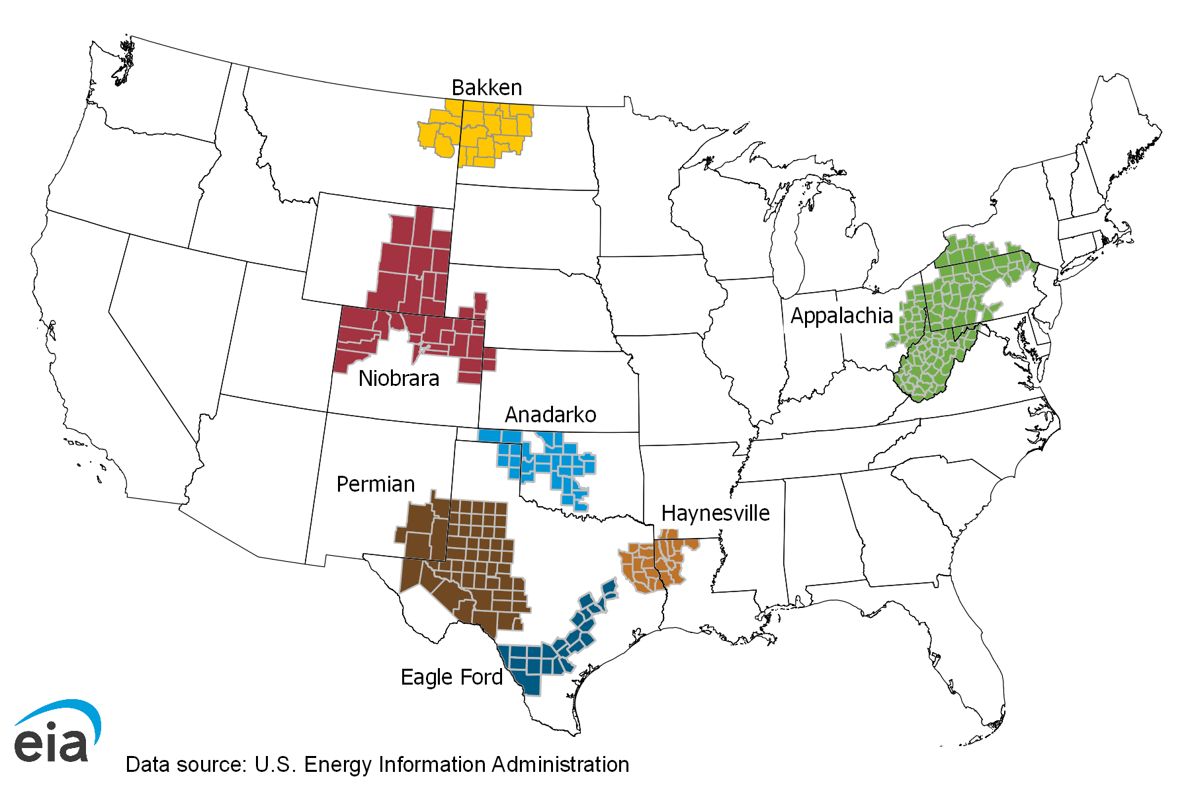
 |  |  |  |  |  |  |  |  |  |  |  |  |  |  |  | cf)details in region counties sheet
 |  |  |  |  |  |  |  |  |  |  |  |  |  |  |  | STATE | STATEID
 |  |  |  |  |  |  |  |  |  |  |  |  |  |  | Anadarko Region | OK, TX | 35,42
 |  |  |  |  |  |  |  |  |  |  |  |  |  |  | Appalachia Region | MD, NY, OH, PA, WV | 19,31,34,37,47
 |  |  |  |  |  |  |  |  |  |  |  |  |  |  | Bakken Region | MT, ND | 25,33
 |  |  |  |  |  |  |  |  |  |  |  |  |  |  | Eagle Ford Region | TX | 42
 |  |  |  |  |  |  |  |  |  |  |  |  |  |  | Haynesville Region | AR, LA, TX | 3,17,42
 |  |  |  |  |  |  |  |  |  |  |  |  |  |  | Niobrara Region | CO, KS, NE, WY | 5,15,26,49
 |  |  |  |  |  |  |  |  |  |  |  |  |  |  | Permian Region | NM, TX | 30,42

